Tab 1
 |  |  |  |  |  | 3-Pack | 2881 |  | 2-Pack | 7958

081TM20038MD | Black / Grey
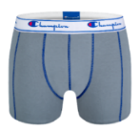
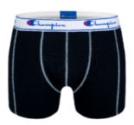
 |  |  |  | XS | S | M | L | XL | XXL
 |  |  | Quantity | 1036 | 165 |  |  |  | 21

 |  |  |  | 1036 | 165 | 0 | 0 | 0 | 21 | 1222

081TM20038ME | Red / Royal blue
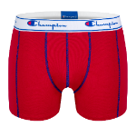
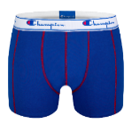
 |  |  |  | XS | S | M | L | XL | XXL
 |  |  | Quantity | 36 |  |  | 971 | 878 | 344

 |  |  |  | 36 | 0 | 0 | 971 | 878 | 344 | 2229

081TM20039MU | LT Club

 |  |  |  | XS | S | M | L | XL | XXL
 |  |  | Quantity | 90 | 555 | 1159 | 1390 | 836 | 477

 |  |  |  | 90 | 555 | 1159 | 1390 | 836 | 477 | 4507

 |  | Total 2-Pack |  | 1162 | 720 | 1159 | 2361 | 1714 | 842

081TM30018MJ | Black / Black / Black

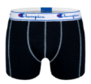
 |  |  |  | XS | S | M | L | XL | XXL
 |  |  | Quantity | 359 | 319 | 1210 | 585 |  | 141
 |  |  |  |  |  |  |  | 117 | 150
 |  |  |  | 359 | 319 | 1210 | 585 | 117 | 291 | 2881

